Sample Radar Chart (2)
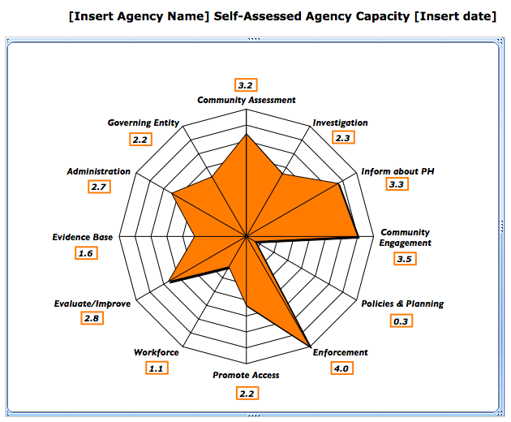

Your Radar Chart
Self-Assessed Agency Capacity Using PHAB Standards
Community Assessment | 0.0
Investigation | 0.0
Inform about PH | 0.0
Community Engagement | 0.0
Policies & Planning | 0.0
Enforcement | 0.0
Promote Access | 0.0
Workforce | 0.0
Evaluation/Improve | 0.0
Evidence Base | 0.0
Administration | 0.0
Governing Entity | 0.0

